National
National score

 | Statistics
 | REGR factor score 1 for analysis 1
 | N | Valid | 32038
 |  | Missing | 0
 | Mean |  | -0.0808307
 | Median |  | -0.3764320
 | Std. Deviation |  | 0.89391772
 | Minimum |  | -0.62005
 | Maximum |  | 5.79500
 | Percentiles | 20 | -0.5062682
 |  | 40 | -0.4338042
 |  | 60 | -0.3200178
 |  | 80 | -0.1158067

histogram

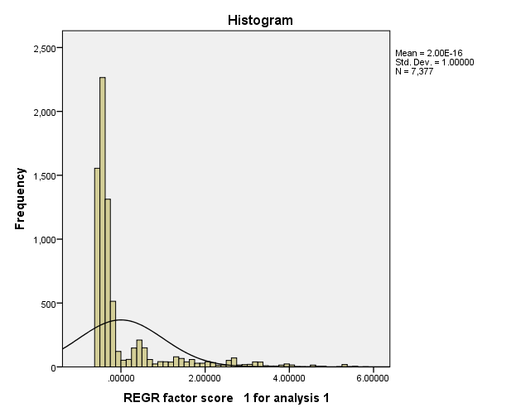

Report
Mean
 | Wealth Index Quintiles
 | 1.00 | 2.00 | 3.00 | 4.00 | 5.00 | Total
Has electricity | 0.000 | 0.000 | 0.000 | 0.000 | 0.333 | 0.066
Has radio | 0.000 | 0.597 | 0.722 | 0.809 | 0.852 | 0.624
Has television | 0.000 | 0.000 | 0.000 | 0.000 | 0.216 | 0.043
Has refrigerator | 0.000 | 0.000 | 0.000 | 0.000 | 0.063 | 0.012
Has bicycle | 0.034 | 0.113 | 0.098 | 0.226 | 0.232 | 0.143
Has motorcycle/scooter | 0.000 | 0.000 | 0.000 | 0.000 | 0.052 | 0.010
Has car/truck | 0.000 | 0.000 | 0.000 | 0.000 | 0.052 | 0.010
if gets water piped into home (+1 bottle water) | 0.000 | 0.000 | 0.000 | 0.000 | 0.019 | 0.004
if gets water piped into yard | 0.000 | 0.000 | 0.000 | 0.000 | 0.161 | 0.032
if gets water from piped public source | 0.000 | 0.225 | 0.444 | 0.454 | 0.466 | 0.325
if gets water from an unprotected well | 0.256 | 0.175 | 0.143 | 0.249 | 0.117 | 0.183
if gets water from a protected well | 0.091 | 0.051 | 0.042 | 0.074 | 0.038 | 0.057
if gets water from a spring (+8rain) | 0.417 | 0.375 | 0.270 | 0.088 | 0.125 | 0.258
if gets water from a surface source | 0.235 | 0.173 | 0.098 | 0.127 | 0.064 | 0.137
if uses pvt flush toilet | 0.000 | 0.000 | 0.000 | 0.000 | 0.052 | 0.010
if uses shared flush toilet | 0.000 | 0.000 | 0.000 | 0.000 | 0.003 | 0.001
if uses pvt trad latrine | 0.000 | 0.104 | 0.443 | 0.807 | 0.475 | 0.359
if uses shared trad latrine | 0.000 | 0.000 | 0.000 | 0.108 | 0.158 | 0.051
if uses pvt vip latrine | 0.913 | 0.799 | 0.390 | 0.018 | 0.211 | 0.474
if uses shared vip latrine | 0.000 | 0.064 | 0.112 | 0.048 | 0.070 | 0.062
if uses bush for latrine | 0.087 | 0.024 | 0.018 | 0.004 | 0.005 | 0.025
if floors are made of earth | 1.000 | 1.000 | 1.000 | 0.987 | 0.162 | 0.832
if floors are made of dung | 0.000 | 0.000 | 0.000 | 0.013 | 0.033 | 0.009
if floors are made of cement (+9 wood planks) | 0.000 | 0.000 | 0.000 | 0.000 | 0.771 | 0.152
if floors are made of carpet (+1 parquet +18 ceramic tile) | 0.000 | 0.000 | 0.000 | 0.000 | 0.027 | 0.005
if uses coal for cooking fuel | 0.000 | 0.000 | 0.000 | 0.000 | 0.028 | 0.006
if uses charcoal for cooking fuel | 0.000 | 0.000 | 0.000 | 0.000 | 0.392 | 0.077
if uses wood for cooking fuel | 1.000 | 1.000 | 1.000 | 0.995 | 0.554 | 0.911
if uses dung for cooking | 0.000 | 0.000 | 0.000 | 0.005 | 0.007 | 0.002
if no food cooked in hh | 0.000 | 0.000 | 0.000 | 0.000 | 0.013 | 0.003

